LAKAI 2O21 Q3 Q4
 |  |  RASCUNHO DE VENDAS LAKAI SHOES NACIONAL 2023
 | Razão Social: |  |  |  |  |  |  |  | Fantasia: |  |  |  |  |  | Cod.: |  |  |  | DATA:
 | Endereço: |  |  |  |  | Bairro: |  |  |  |  |  |  |  |  | Cidade:
 | Estado: |  |  |  | Cep: |  |  |  |  | Tel. c/ DDD:
 | CNPJ: |  |  |  |  | I.E: |  |  | ISENTO |  |  |  |  |  |  |  |  | RESUMO
 | E-mail: |  |  |  |  | Contato: |  |  |  |  |  |  |  |  |  |  |  |  | QUANTIDADE | VALOR TOTAL
 | Cond. de Pagto : | ( ) | Á VISTA 5% DESCONTO | ( ) | 45/75/105 ( ) | 45/60/75/90/105 | 45/60/75/90/105 ( ) |  | 30/60 /90/120 |  |  |  |  |  |  |  |  | TOTAL | 0 | R$ 0.00
 | WHATSAPP: |  |  |  |  |  |  |  | Rep.

 | MODELO | REF. | STYLE | COR |  |  | 35 | 36 | 37 | 38 | 39 | 40 | 41 | 42 | 43 | 44 | QDE | PREÇO | VALOR | RETAIL MARK-UP 2.1
 |  | CAMBRIDGE MID |  |  | NEW STYLE
 | 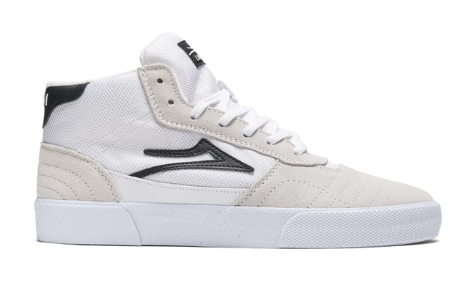 |  | CAMBRIDGE MID |  | WHITE/BLACK SUEDE |  |  |  |  |  |  |  |  |  |  |  | 0 | R$ 190.43 | R$ 0.00 | R$ 399.90
 | 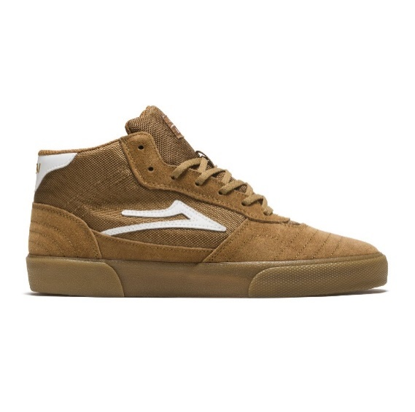 |  | CAMBRIDGE MID |  | TOBACCO/GUM |  |  |  |  |  |  |  |  |  |  |  | 0 | R$ 190.43 | R$ 0.00 | R$ 399.90
 | 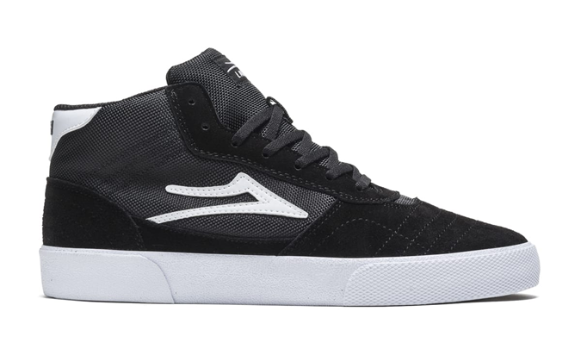 |  | CAMBRIDGE MID |  | BLACK /WHTE SUEDE |  |  |  |  |  |  |  |  |  |  |  | 0 | R$ 190.43 | R$ 0.00 | R$ 399.90
 |  |  | CAMBRIDGE
 | 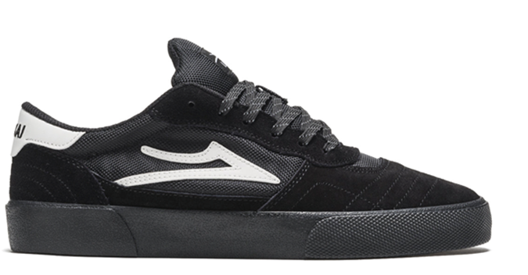 |  | CAMBRIDGE |  | BLACK/BLACK REFLECTIVE SUEDE |  |  |  |  |  |  |  |  |  |  |  | 0 | R$ 176.14 | R$ 0.00 | R$ 369.90
 | 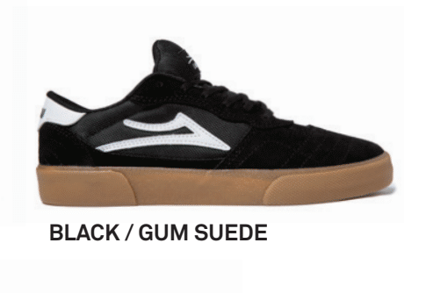 |  | CAMBRIDGE |  | BLACK/GUN /SUEDE NEW COLLOR |  |  |  |  |  |  |  |  |  |  |  | 0 | R$ 176.14 | R$ 0.00 | R$ 369.90
 | 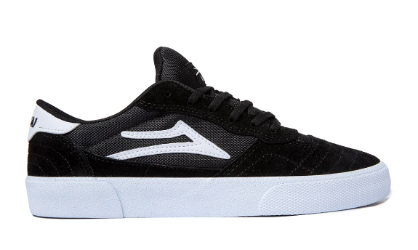 |  | CAMBRIDGE |  | BLACK WHITE SUEDE |  |  |  |  |  |  |  |  |  |  |  | 0 | R$ 176.14 | R$ 0.00 | R$ 369.90
 | 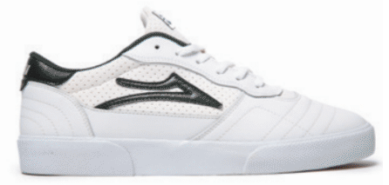 |  | CAMBRIDGE |  | WHITE PINE LEATHER NEW COLLOR |  |  |  |  | 0 | 0 | 0 | 0 | 0 | 0 |  | 0 | R$ 176.14 | R$ 0.00 | R$ 369.90
 | 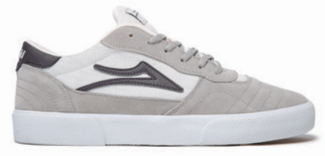 |  | CAMBRIDGE |  | LIGHT GREY WHITE SUEDE NEW COLLOR |  |  |  |  |  |  |  |  |  |  |  | 0 | R$ 176.14 | R$ 0.00 | R$ 369.90
 |  |  | NEWPORT HI
 | 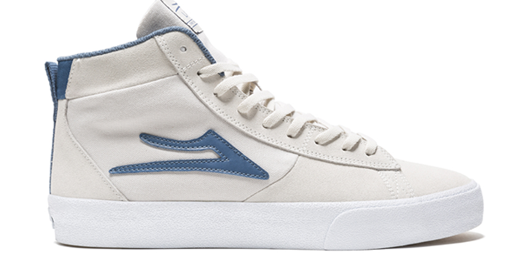 |  | NEWPORT HI |  | WHITE SLATE SUEDE |  |  |  |  |  |  |  |  |  |  |  | 0 | R$ 185.67 | R$ 0.00 | R$ 389.90
 | 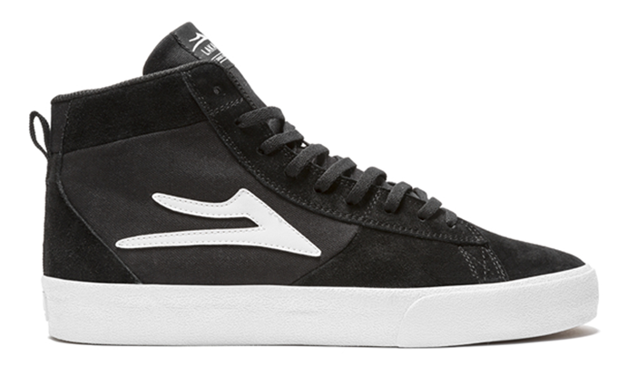 |  | NEWPORT HI |  | BLACK SUEDE |  |  |  |  |  |  |  |  |  |  |  | 0 | R$ 185.67 | R$ 0.00 | R$ 389.90
 |  |  | NEW PORT
 | 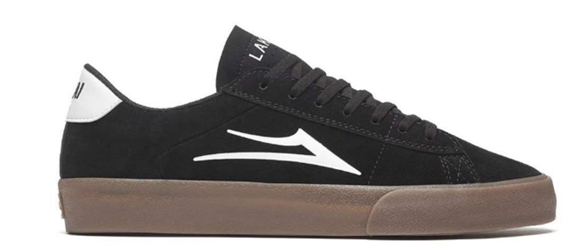 |  | NEWPORT |  | BLACK GUM SUEDE |  |  |  |  |  |  |  |  |  |  |  | 0 | R$ 166.62 | R$ 0.00 | R$ 349.90
 | 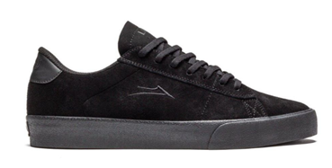 |  | NEWPORT |  | ALL BLACK SUEDE |  |  |  |  |  |  |  |  |  |  |  | 0 | R$ 166.62 | R$ 0.00 | R$ 349.90
 |  |  | BRISTOL- NEW STYLE
 | 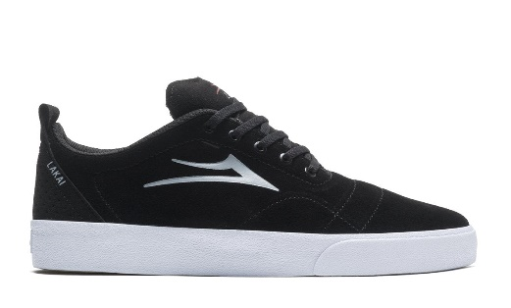 |  | BRISTOL- NEW STYLE |  | BLACK WHITE SUEDE |  |  |  |  |  |  |  |  |  |  |  | 0 | R$ 171.38 | R$ 0.00 | R$ 359.90
 | 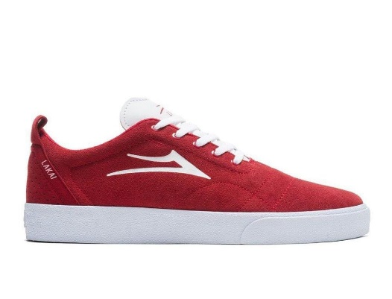 |  | BRISTOL- NEW STYLE |  | RED WHITE SUEDE NEW COLOR |  |  |  |  |  |  |  |  |  |  |  | 0 | R$ 171.38 | R$ 0.00 | R$ 359.90
 |  |  | MANCHESTER
 | 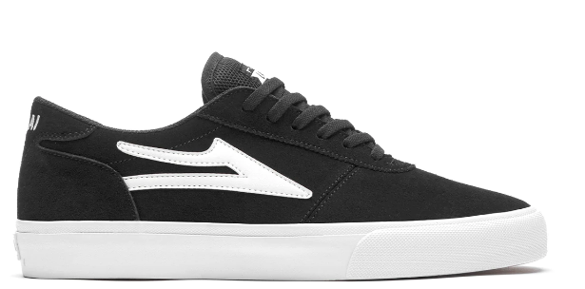 |  | MANCHESTER |  | BLACK/WHITE |  |  |  |  |  |  |  |  |  |  |  | 0 | R$ 161.86 | R$ 0.00 | R$ 339.90
 | 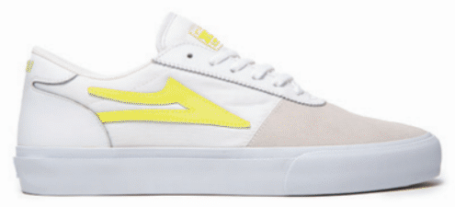 |  | MANCHESTER |  | YELLOW/HIGH LIGHTER NEW COLLOR |  |  |  |  |  |  |  |  |  |  |  | 0 | R$ 161.86 | R$ 0.00 | R$ 339.90
 | 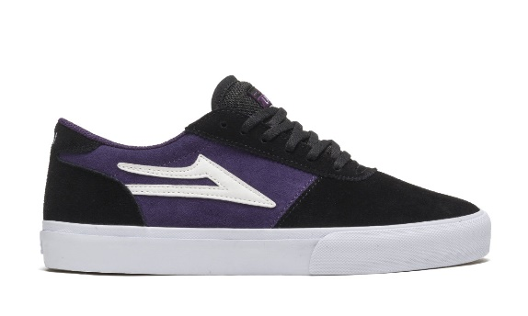 |  | MANCHESTER |  | GRAPE/BLACK / SUEDE |  |  |  |  |  |  |  |  |  |  |  | 0 | R$ 161.86 | R$ 0.00 | R$ 339.90
 |  |  | GRIFFIN SUEDE
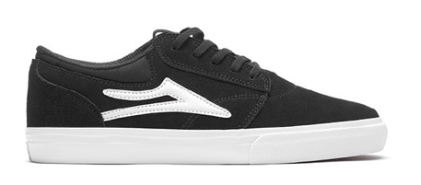 |  |  | GRIFFIN SD |  | BLACK/WHITE - SUEDE |  |  |  |  |  |  |  |  |  |  |  | 0 | R$ 147.57 | R$ 0.00 | R$ 309.90
 | 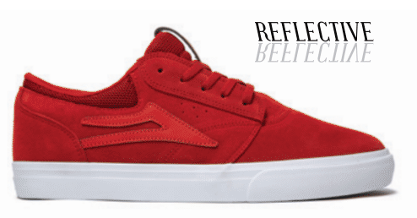 |  | GRIFFIN SD |  | RED SUEDE NEW COLLOR |  |  |  |  |  |  |  |  |  |  |  | 0 | R$ 147.57 | R$ 0.00 | R$ 309.90
 | 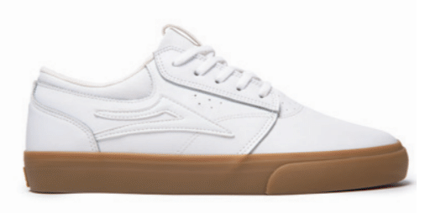 |  | GRIFFIN LEATHER |  | WHITE GUM LEATHER NEW COLLOR |  |  |  |  |  |  |  |  |  |  |  | 0 | R$ 147.57 | R$ 0.00 | R$ 309.90
 |  |  | SHEFFIELD SUEDE
 | 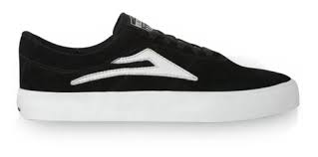 |  | SHEFFIELD SD |  | BLACK WHITE SUEDE |  |  |  |  |  |  |  |  |  |  |  | 0 | R$ 147.57 | R$ 0.00 | R$ 319.90
 | 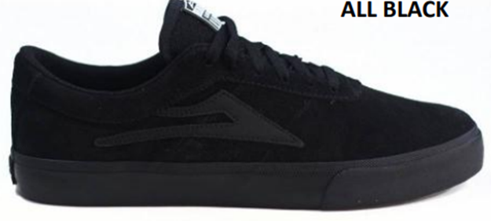 |  | SHEFFIELD SD |  | ALL BLACK SUEDE |  |  |  |  |  |  |  |  |  |  |  | 0 | R$ 147.57 | R$ 0.00 | R$ 319.90
 | 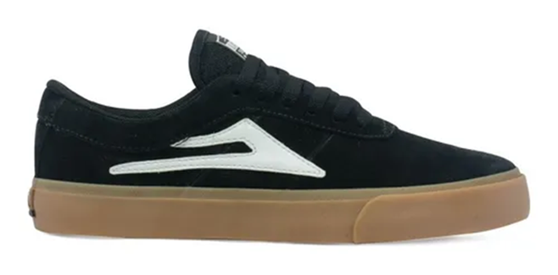 |  | SHEFFIELD SD |  | BLACK GUM / SUEDE |  |  |  |  |  |  |  |  |  |  |  |  | R$ 147.57 | R$ 0.00 | R$ 319.90
 | 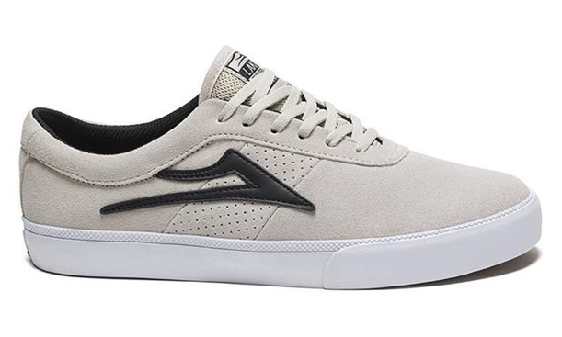 |  | SHEFFIELD SD |  | OFF WHITE/ SUEDE |  |  |  |  |  |  |  |  |  |  |  | 0 | R$ 147.57 | R$ 0.00 | R$ 319.90
 |  | OXFORD
 |  |  | OXFORD |  | BLACK/WHITE /CANVAS |  |  |  |  |  |  |  |  |  |  |  | 0 | R$ 109.48 | R$ 0.00 | R$ 229.91
 | 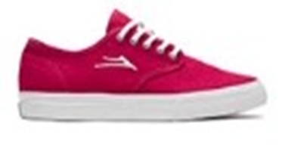 |  | OXFORD |  | RED /WHITE / CANVAS |  |  |  |  |  |  |  |  |  |  |  | 0 | R$ 109.48 | R$ 0.00 | R$ 229.91

